1. Title Page
Instacart Grocery Basket Analysis

Project Name: Instacart Grocery Basket Analysis
Date: Feb 24, 2022
Analyst Name: Sheena Varma

Contents:
Population Flow
Consistency checks
Wrangling steps
Column derivations
Visualizations
Recommendations

Data Source
https://www.instacart.com/datasets/grocery-shopping-2017

Objective
As of 2017, Instacart already has very good sales, but they want to uncover more information about their sales pattern. Perform an initial data and exploratory analysis of some of their data in order to derive insights and suggest strategies for better segmentation based on the provided criteria.

Motivation
Instacart is highly interested in profiling variety their customers using their database to understand the purchasing behaviors. While Instacart cannot target everyone using the same methodology, they're considering a targeted approach to enhance their marketing strategy. They want to target different customers with applicable marketing campaigns to see whether they have an effect on the sale of their products. My analysis will inform what this strategy might look like to ensure Instacart targets the right customer profiles with the appropriate products.

Targeted Audience
Stakeholders - Vice President of Marketing, Senior Vice President of Sales, Instacart Customer
Sales Team

2. Population Flow
Population flow

Exclusion flag
Condition: max_order < 5
Obervations to be removed: 1,440,295
Final total count of order_products_all: 30,964,564

Orders_products_combined
Orders_products_merged
Orders_products_all

Total: 32,434,489
Total: 32,404,859
Total: 32,404,859

1.) The grey boxes in the first row of the population flow represent the original data sets as they were when you downloaded them. In the Total fields you need to add the count of the rows when you imported the data set into Jupyter.
2.) The second row of boxes (coloured) represents the data sets after you manipulated them, e.g., removed missing values and duplicates. In the Total fields you need to add the count of the rows after conducting these operations. This offers a visual oveview of how the data flows throughout the data consistency checks.
3.) The third row, where also the arrows are coloured, represents the merges you performed between the datasets. In the Total fields you need to add the count of the rows in the merged datasets, so that you end up with the final dataset (in the red box). Keep in mind the final dataset should be without exclusions (based on the exclusion flag).

3. Consistency checks
Consistency checks

Dataset | Missing values | Missing values treatment | Duplicates
orders | Total number of 206209 values, Column: days_since_prior_order | Created a new column 'df_ords_first_order' that acts like a flag based on the missing value | NIL
products | 16 values, Column: Products_name | Created subset for missing column 'df_nan' | 5 duplicates found, deleted from dataset
orders_products_prior | NIL | NA | NIL
customers | NIL | NA | NIL

4. Wrangling steps
Wrangling steps

Dataset | Columns dropped | Columns renamed | Columns' type changed | Comment/Reason
orders - original | eval_set |  |  | Not required for analysis
orders - original |  | order_dow : orders_day_of_week |  | Unintuitive
orders - original |  | order_hour_of_day : order_time_of_day |  | Unintuitive
orders - original |  |  | order_id - str | Column doesn’t represent real numeric value
orders - original |  |  | user_id - str | Column doesn’t represent real numeric value

df_ords | Unnamed: 0 |  |  | Not required for analysis
df_ords | Unnamed: 0.1 |  |  | Not required for analysis

df_prods | Unnamed: 0 |  |  | Not required for analysis

orders_products_combined | _merge |  | order_id: int32 | Reduce memory usage for dataset
orders_products_combined |  |  | user_id: int32 | Reduce memory usage for dataset
orders_products_combined |  |  | order_number: int32 | Reduce memory usage for dataset
orders_products_combined |  |  | orders_day_of_week: int32 | Reduce memory usage for dataset
orders_products_combined |  |  | orders_time_of_day: int32 | Reduce memory usage for dataset
orders_products_combined |  |  | days_since_prior_order: float32 | Reduce memory usage for dataset
orders_products_combined |  |  | product_id: int32 | Reduce memory usage for dataset
orders_products_combined |  |  | add_to_cart_order: int32 | Reduce memory usage for dataset
orders_products_combined |  |  | reordered: int32 | Reduce memory usage for dataset

orders_products_merged | _merge |  |  | Not required for analysis

ords_prods_merge |  |  | aisle_id: int32 | Reduce memory usage for dataset
ords_prods_merge |  |  | department_id: int32 | Reduce memory usage for dataset
ords_prods_merge |  |  | prices: float32 | Reduce memory usage for dataset

customer |  | First Name : first_name |  | Maintain uniformity
customer |  | Surnam : surname |  | Spelling error
customer |  | Gender : gender |  | Maintain uniformity
customer |  | STATE : state |  | Maintain uniformity
customer |  | Surnam : surname |  | Spelling error
customer |  | Age : age |  | Maintain uniformity
customer |  | n_dependants : dependants |  | Unintuitive
customer |  | fam_status : marital_status |  | Easier reference
customer |  |  | user_id: int32 | Reduce memory usage for dataset
customer |  |  | age: int32 | Reduce memory usage for dataset
customer |  |  | dependants: int32 | Reduce memory usage for dataset
customer |  |  | income: int32 | Reduce memory usage for dataset
customer | first_name |  |  | PII concern

ords_prods |  |  | product_name - category | Reduce memory usage for dataset
ords_prods |  |  | busiest_days - category | Reduce memory usage for dataset
ords_prods |  |  | busiest_period_of_day - category | Reduce memory usage for dataset
ords_prods |  |  | price_range_loc - category | Reduce memory usage for dataset
ords_prods |  |  | loyalty_flag - category | Reduce memory usage for dataset
ords_prods |  |  | spending_flag - category | Reduce memory usage for dataset
ords_prods |  |  | frequency_flag - category | Reduce memory usage for dataset

df_final | _merge |  |  | Not required for analysis
df_final | reordered |  |  | Not required for analysis
df_final | surname |  |  | PII concern
df_final |  |  | gender - category | Reduce memory usage for dataset
df_final |  |  | marital_status - category | Reduce memory usage for dataset
df_final |  |  | age: int8 | Reduce memory usage for dataset
df_final |  |  | dependants: int8 | Reduce memory usage for dataset
df_final |  |  | order_number: int8 | Reduce memory usage for dataset
df_final |  |  | orders_day_of_week: int8 | Reduce memory usage for dataset
df_final |  |  | orders_time_of_day: int8 | Reduce memory usage for dataset
df_final |  |  | max_order: int8 | Reduce memory usage for dataset
df_final |  |  | days_since_prior_order: float16 | Reduce memory usage for dataset
df_final |  |  | add_to_cart_order: int16 | Reduce memory usage for dataset
df_final |  |  | prices: float16 | Reduce memory usage for dataset
df_final |  |  | aisle_id: int16 | Reduce memory usage for dataset
df_final |  |  | department_id: int16 | Reduce memory usage for dataset
df_final |  |  | state: category | Reduce memory usage for dataset
df_final |  |  | region: category | Reduce memory usage for dataset
df_final |  |  | exclusion_flag: category | Reduce memory usage for dataset
df_final |  |  | age_group: category | Reduce memory usage for dataset
df_final |  |  | income_group: category | Reduce memory usage for dataset
df_final |  |  | parental_status: category | Reduce memory usage for dataset
df_final |  |  | day_of_week: category | Reduce memory usage for dataset
df_final |  |  | part_of_day: category | Reduce memory usage for dataset

5. Column derivations
Column derivations and aggregations

Frequency - loyalty_flag
Frequency - region_flag
Dataset | New column | Column/s it was derived from | Conditions
df_orders_products_merged | price_range_loc | prices | if prices <= 5: "Low-range product"
 |  |  | elif prices > 5 and <= 15: "Mid-range product"
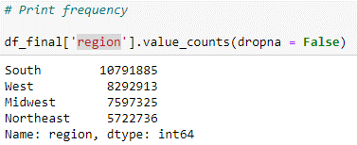
 |  |  | elif prices > 15: "High range"
df_orders_products_merged | busiest_days | orders_day_of_week | if value == 0 and 1: "Busiest days"
 |  |  | elif value == 3 and 4: "Slowest days"
 |  |  | else: "Regularly busy"
df_orders_products_merged | busiest_period_of_day | orders_time_of_day | if value <=5: "Fewest orders"
 |  |  | elif value >=6 and <=8: "Average orders"
 |  |  | elif value >=18 and <=24: "Average orders"
 |  |  | elif value >=9 and <=17: "Most orders"
df_orders_products_merged | max_order | user_id and order_number | transform(np.max)
df_orders_products_merged | spending | user_id and prices | transform(np.mean)
Frequency - spending_flag
Frequency - exclusion_flag
df_orders_products_merged | order_frequency | user_id and days_since_prior_order | transform(np.median)
df_orders_products_merged | loyalty_flag | max_order | if max_order> 40: "Loyal customer"
 |  |  | elif max_order <= 40 and >10: "Regular customer"
 |  |  | elif max_order <= 10: "New customer"
df_orders_products_merged | spending_flag | spending | if spending < 10: "Low spender"
 |  |  | elif spending >= 10: "High spender"
df_orders_products_merged | frequency_flag | order_frequency | if order_frequency > 20: "Non-frequent customer"
 |  |  | elif order_frequency <= 20 and > 10: "Regular customer"
 |  |  | elif order_frequency <=10: "Frequent customer"
Frequency - frequency_flag
df_final | region | state | Categorised each state within a particular region based on: 'South', 'West', 'Midwest', 'Northeast'
df_final | exclusion_flag | max_order | if max_order < 5: "low activity customer"
 |  |  | elif max_order >= 5: "high activity customer"
df_final | age_group | age | if value <= 20: "15-20"
 |  |  | elif value > 20 and <= 30: "21-30"
 |  |  | elif value > 30 and <= 40: "31-40"
 |  |  | elif value > 40 and <= 50: "41-50"
 |  |  | elif value > 50 and <= 60: "51-60"
 |  |  | elif value > 60 and <= 70: "61-70"
 |  |  | elif value > 70 and <= 80: "71-80"
 |  |  | elif value > 80 and <= 82: "80+"
df_final | income_group | income | if value <= 50000: "20000 - 50000"
 |  |  | elif value > 50000 and <= 100000: "50000-100000"
 |  |  | elif value > 100000 and <= 200000: "100000-200000"
 |  |  | elif value > 200000 and <= 300000: "200000-300000"
 |  |  | elif value > 300000 and <= 40000): "120000 - 160000"
 |  |  | elif value > 400000 and <= 500000: "400000-500000"
 |  |  | elif value > 500000 and <= 600000: "500000-600000"
df_final | parental_status | dependants | if dependants >= 1: "Parent"
 |  |  | elif dependants == 0: "Non-parent"
df_final | day_of_week | orders_day_of_week | name assigned to the number that represented the day of week. Eg. 0: Saturday
df_final | part_of_day | orders_time_of_day | if value <= 5 and >21: "Night"
 |  |  | elif value > 5 and <= 12: "Morning"
 |  |  | elif value > 12 and <= 17: "Afternoon"
 |  |  | elif value > 17 and <= 21: "Evening"

df_master | department_name | department_id/ departments dataset | assigned department names to the department id. Eg: depart_id = 1: "Frozen"
df_master | top_department | department_id | if value == 1, 4, 7, 16, 19: "top dept"
 |  |  | else: "regular dept"

6. Visualizations
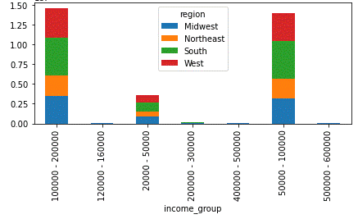
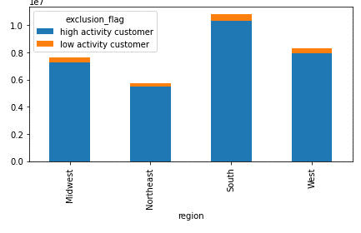
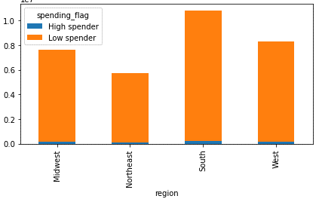
Visualisations

1 | The sales team needs to know what the busiest days of the week and hours of the day are (i.e., the days and times with the most orders) in order to schedule ads at times when there are fewer orders.
1a | They also want to know whether there are particular times of the day when people spend the most money, as this might inform the type of products they advertise at these times.

1 | Saturday and Sunday are the busiest days of the week. Most orders are received between 10am - 4pm which makes morning and afternoon the busiest part of the day.
1a | However, the customers' spend most money during the time when lowest orders are placed i.e. between 2am-5am
Day of week
Hour of day
Part of day
Spending during the day
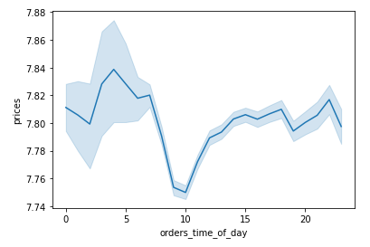
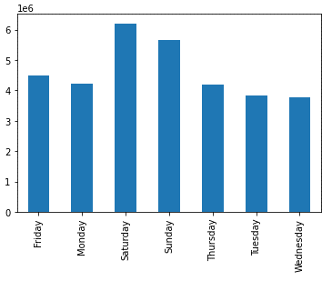
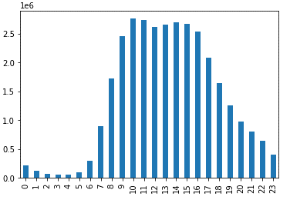
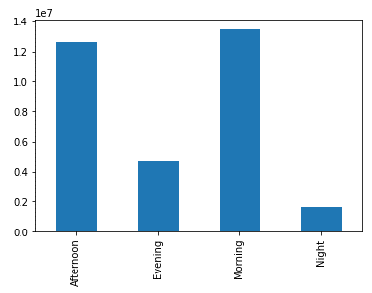

2 | Instacart has a lot of products with different price tags. Marketing and sales want us to simpler price range groupings to help direct their efforts

2 | Mid-range (67.5%) and low-range products (31.2%) are the categories with high sales.
 | Most products are between $1 and $15, while a few are higher priced at $15 to $25.

Price range grouping
Price distribution
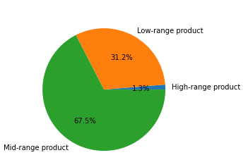


3 | The marketing and sales teams want to know which departments have the highest frequency of product orders.

3 | Produce', 'Dairy eggs' and 'Snacks' are the top three departments that have the highest frequency of product orders
Departments analysis
Top 5 departments

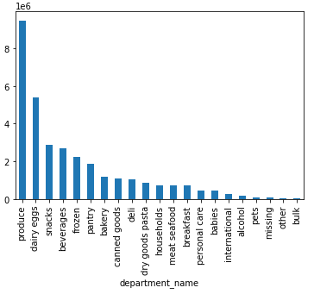
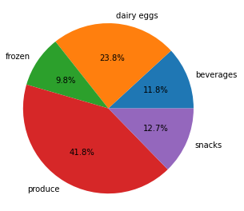

4 | What’s the distribution among users in regards to their brand loyalty (i.e., how often do they return to Instacart)?
4a | Are there differences in ordering habits based on a customer’s loyalty status?
4b | Are there differences in ordering habits based on a customer’s region?

4 | 49% of customers are regular costumers' and 32% falls under loyal customers.
4a | Regular and Loyal customers' falls under frequent customer flag
4b | There isn't much difference in customers' ordering habits based on their region.
Loyalty flag
Loyalty vs Frequency flag
Customers' frequency by region
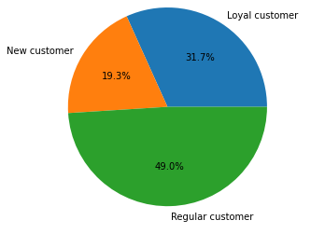
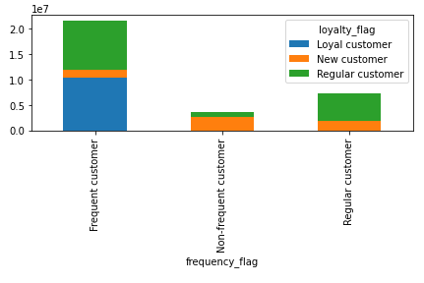
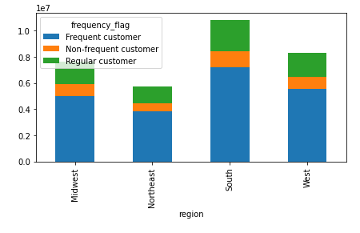

5 | Compare your customer profiles with regions and departments. Can you identify a link between them? Customers may demonstrate different behaviors across regions, which could make this information important.

5 | There is no link between regions and departments
Department orders by region
Department orders by region - 100% stacked bar chart

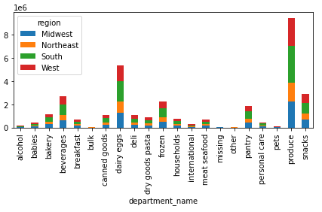
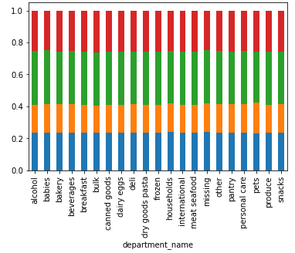

 | Analysis by age

 |  |  |  | Produce is the top department, however, there is no connection between age groups

Total number of orders by age
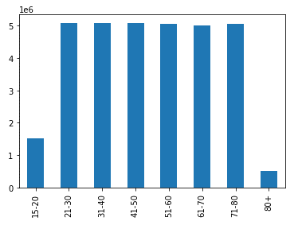

Orders by age and day
Orders by department and age
Orders by department and age - 100% stacked bar chart
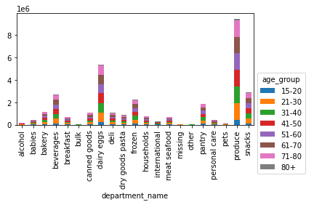
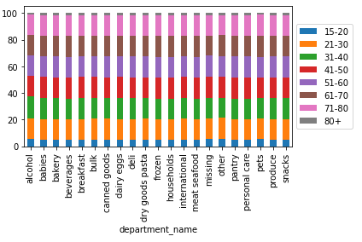
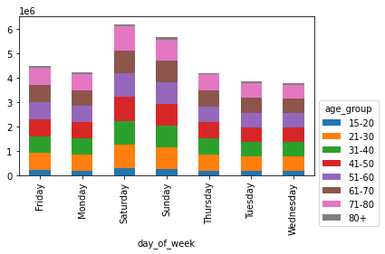

Orders by age and region
Orders by age and spending flag
Orders by age and part of day

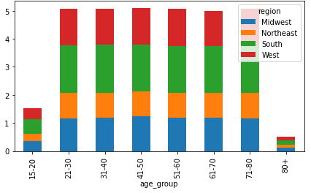
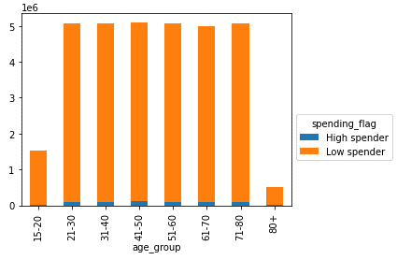
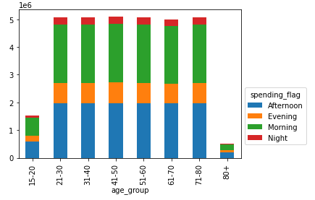

Analysis by family status - Marital and Parental

 |  |  | Customers who are married and have kids/dependants place the most orders
Total number of orders by marital status
Total number of orders by family status

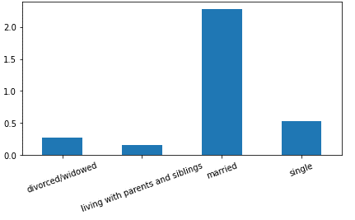
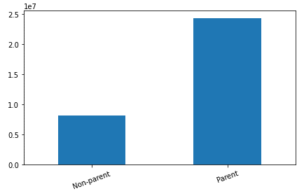

Orders by marital status and department - 100% stacked bar chart
Orders by marital status and department
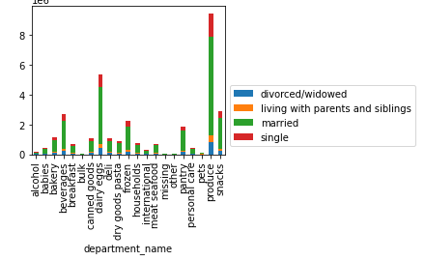
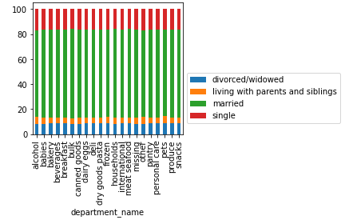

Orders by parental status and department
Orders by parental status and part of day
Orders by parental status and spending
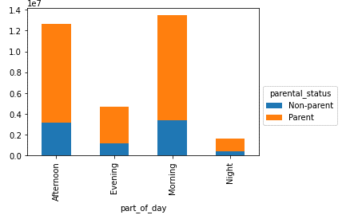
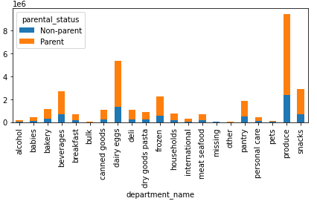
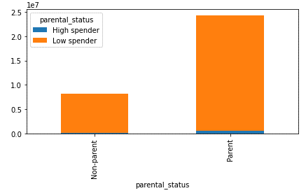

Analysis by income

 |  | Most orders are placed by customers whose income range is between $50,000 - 200,000
Total number of orders by income group
Orders by income group and department
Orders by income group and spending

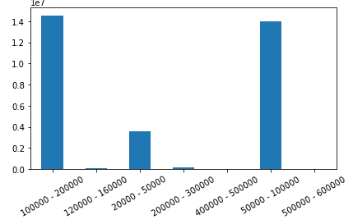
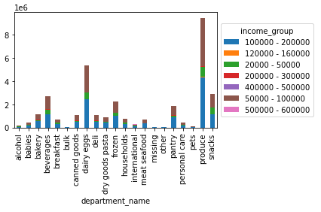
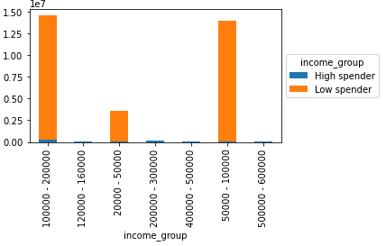

 | Analysis by region

 |  |  |  |  | Most orders are placed in South, West and Midwest regions

Total number of orders by region

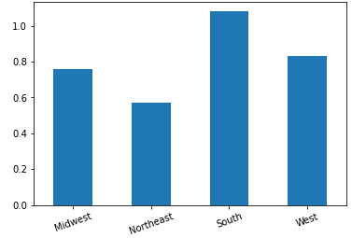

Income by region
Exclusion flag by region
Spending flag by region

7. Recommendations
 |  |  | Title page

Recommendations

Key Question 1: The sales team needs to know what the busiest days of the week and hours of the day are (i.e., the days and times with the most orders) in order to schedule ads at times when there are fewer orders?
Orders by Day of week
Orders by Hour of day

Result: Saturday and Sunday are the most busiest days of the week with maximum number of orders placed between 10am - 4pm.

Recommendation: Target ads during mid-week and between 4pm - 9am.

Key Question 2: They also want to know whether there are particular times of the day when people spend the most money, as this might inform the type of products they advertise at these times?
Spending during the day

Result: Customers' spend most money during the time when lowest orders are placed i.e. between 2am - 7am.

Recommendation: Promote during morning hours and introduce early riser offers.

Key Question 3: Instacart has a lot of products with different price tags. Marketing and sales want to use simpler price range groupings to help direct their efforts.
Price range grouping
Price distribution
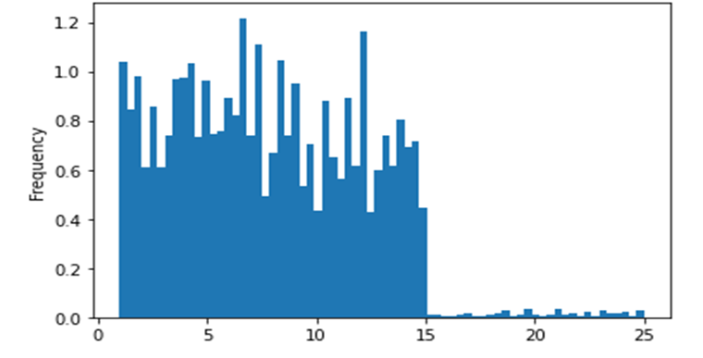

Result: Mid-range (67.5%) and low-range products (31.2%) are the categories with high sales and most products are between $1 and $15, while a few are higher priced at $15 to $25.

Recommendation: Introduce discount deals on high-range products eg, bulk buy savings.

Key Question 4: Are there certain types of products that are more popular than others? The marketing and sales teams want to know which departments have the highest frequency of product orders?
Departments analysis
Top 5 departments

Result: 'Produce', 'Dairy eggs' and 'Snacks' are the top three departments that have the highest frequency of product orders.

Recommendation: Continue to promote the top 3 departments.
 |  | Introduce ads and deals on Frozen, snacks and beverages departments in order to achieve high sales in those departments.

Key Question 5a: What’s the distribution among users in regards to their brand loyalty (i.e., how often do they return to Instacart)?
Loyalty flag

Result: 49% of customers are regular costumers' and 32% falls under loyal customers'.

Recommendation: Focus on promoting offers for new customers' for eg, 'refer a friend'.

Key Question 5b: Are there differences in ordering habits based on a customer’s loyalty status?
Loyalty vs Frequency flag

Result: Regular and Loyal customers' falls under frequent customer flag. Hence, no significant difference in their ordering habits.

Recommendation: Focus on promoting offers for non-frequent costumers'.

Key Question 5c: Are there differences in ordering habits based on a customer’s region?
Customers' frequency by region

Result: There is no significant difference in ordering habits based on customer's region.

Recommendation: As there is no difference in the ordering habit, recommendation not required.

Key Question 5d: Is there a connection between age and family status in terms of ordering habits?
Key Question 6: What different classifications does the demographic information suggest? Age? Income? Certain types of goods? Family status?
Key Question 7: What differences can you find in ordering habits of different customer profiles? Consider the price of orders, the frequency of orders, the products customers are ordering, and anything else you can think of.
Orders by age and spending flag
Total number of orders by family status
Total number of orders by marital status
Total number of orders by region

Orders by department and age
Orders by parental status and department
Orders by marital status and department
Orders by income group and department

Result: There is no significant difference in ordering habits based on customer's age.
 | Customers' who are married and have kids place the most orders.
 | Produce is the #1 department in all profiles.
 | Most orders are placed in South region.
 | Customers' with income range between $50,000 - 200,000 are the ones who placed most orders.

Recommendation: Key focus should remain on the above criteria.

